Sheet1
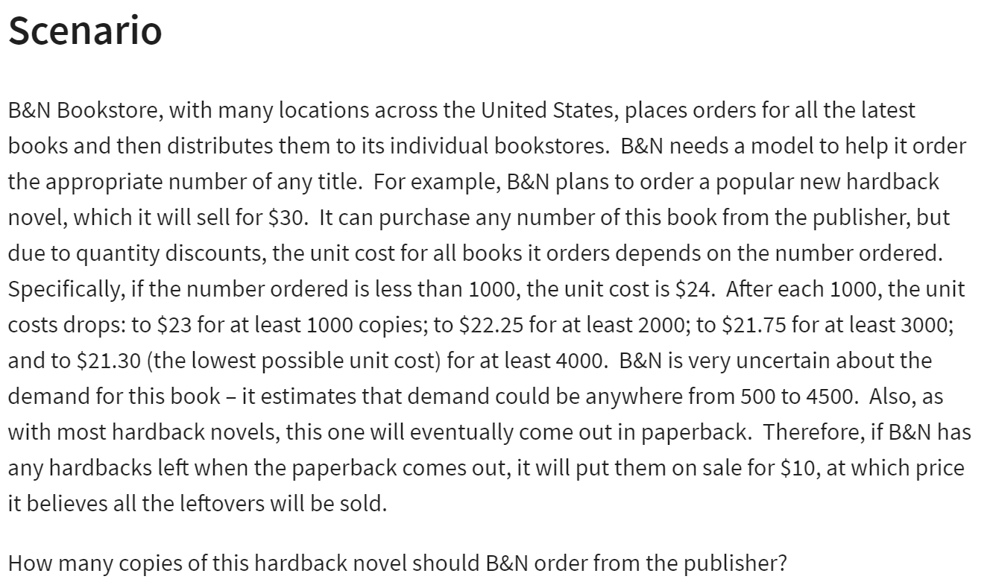
BN Bookstore

 |  |  | at least
Regular Price: | $30.00 |  | Ordered | Unit Cost
Sale Price: | $10.00 |  | 0 | $24.00
 |  |  | 1000 | $23.00
 |  |  | 2000 | $22.25
 |  |  | 3000 | $21.75
Demand: | 500 | (500-4500) | 4000 | $21.30
Ordered: | 500

Surplus: | 0 | =MAX(B10-B9,0) |  |  | Demand
Way 2# | 0 | =IF(B9>B10,0,B10-B9) |  | $3,000.00 | 500 | 1000 | 1500 | 2000 | 2500 | 3000 | 3500 | 4000 | 4500
 |  |  | Order: | 500 | $3,000.00 | $3,000.00 | $3,000.00 | $3,000.00 | $3,000.00 | $3,000.00 | $3,000.00 | $3,000.00 | $3,000.00
Cost: | $12,000.00 | =VLOOKUP(B10,E4:F9,2,TRUE)*B10 |  | 1000 | $(3,000.00) | $7,000.00 | $7,000.00 | $7,000.00 | $7,000.00 | $7,000.00 | $7,000.00 | $7,000.00 | $7,000.00
 |  |  |  | 1500 | $(9,500.00) | $500.00 | $10,500.00 | $10,500.00 | $10,500.00 | $10,500.00 | $10,500.00 | $10,500.00 | $10,500.00
Revenue: | $15,000.00 | =MIN(B9:B10)*B4+B12*B5 |  | 2000 | $(14,500.00) | $(4,500.00) | $5,500.00 | $15,500.00 | $15,500.00 | $15,500.00 | $15,500.00 | $15,500.00 | $15,500.00
 |  |  |  | 2500 | $(20,625.00) | $(10,625.00) | $(625.00) | $9,375.00 | $19,375.00 | $19,375.00 | $19,375.00 | $19,375.00 | $19,375.00
Profit: | $3,000.00 | =B17-B15 |  | 3000 | $(25,250.00) | $(15,250.00) | $(5,250.00) | $4,750.00 | $14,750.00 | $24,750.00 | $24,750.00 | $24,750.00 | $24,750.00
 |  |  |  | 3500 | $(31,125.00) | $(21,125.00) | $(11,125.00) | $(1,125.00) | $8,875.00 | $18,875.00 | $28,875.00 | $28,875.00 | $28,875.00
 |  |  |  | 4000 | $(35,200.00) | $(25,200.00) | $(15,200.00) | $(5,200.00) | $4,800.00 | $14,800.00 | $24,800.00 | $34,800.00 | $34,800.00
 |  |  |  | 4500 | $(40,850.00) | $(30,850.00) | $(20,850.00) | $(10,850.00) | $(850.00) | $9,150.00 | $19,150.00 | $29,150.00 | $39,150.00

